Welcome
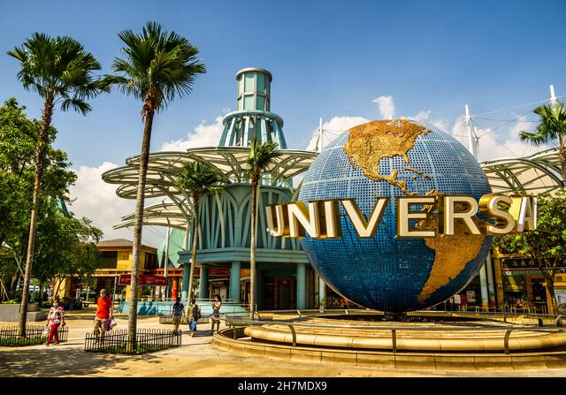

THEME PARK ROUTE GENERATOR
This generator helps you plan and optimise your route around Universal Studios Singapore, so you can minimise wait time, and maximise fun!
Click on one of the buttons below to begin, and have a wonderful journey!

I like to keep my schedule loose and flexible!

I like to keep my schedule tight and precise!

UI (High-Lvl)

When are you visiting?
Expected day of visiting | Friday
Expected time of arrival | 11:00:00
Expected time of departure | 18:00:00

Lunching in USS? | Yes
Desired Lunch Time | 12:00:00
Desired Lunch Duration | 1:00:00

What are your prioritised rides?
(Please fill in order. Rides will be refreshed everytime you make new time selections)
Ride 1 | Battlestart Galactica: Human
Ride 2 | Battlestar Galactica: Cylon
Ride 3 | Dino-Soarin
Ride 4 | Transformers The Ride
Ride 5 | Magic Potion Spin


Tell us more about your plans so our minions can better serve you!
What is your preferred pace of travel?
Preferred Pace | Average

Schedule (High-Lvl)
You're all set!

 |  |  | (This part can make invisible)
Time Schedule | Attraction | Wait Time | Route | x | y
 | Entrance |  | Entrance | 3.2 | 0.5 | 1
11:00:00 | Battlestart Galactica: Human | 0:10:00 | Battlestart Galactica: Human | 5.7 | 5 | 2
12:00:00 | Lunch |  | Battlestar Galactica: Cylon | 5.7 | 4.5 | 3
13:00:00 | Battlestar Galactica: Cylon | 0:40:00 | Dino-Soarin | 3.3 | 7.2 | 4
14:00:00 | Dino-Soarin | 0:30:00 | Magic Potion Spin | 1.5 | 6.5 | 5
15:00:00 | Magic Potion Spin | 0:10:00 | Transformers The Ride | 5.8 | 3.5 | 6
16:00:00 |  |  | Exit | 3.7 | 0.5 | 7
17:00:00 | Transformers The Ride | 0:20:00 |  | #N/A | #N/A | 8
 | Exit |  |  | #N/A | #N/A | 9

Changed your mind?

UI (Detailed)
When are you visiting?
Expected day of visiting | Wednesday
Expected time of arrival | 11:00:00
Expected time of departure | 18:00:00

Lunching in USS? | Yes
Desired Lunch Time | 12:00:00
Desired Lunch Duration | 2:00:00

What are your prioritised rides?
(Please fill in order and select min 3 rides. Rides will be refreshed everytime you make new time selections)
Ride 1 | Battlestar Galactica: Cylon
Ride 2 | Battlestart Galactica: Human
Ride 3 | Shrek 4D Adventure
Ride 4 | Transformers The Ride
Ride 5 | Revenge of the Mummy

What is your preferred pace of travel?
Preferred Pace | Leisurely
Details... please...

Schedule (Detailed)
You're all set!

 |  |  |  | (This part can make invisible)
Attraction | Arrival time | Wait time | End time | Route | x | y
Entrance |  |  |  | Entrance | 3.2 | 0.5 | 1
Transformers The Ride | 11:07:00 | 0:10:00 | 11:22:00 | Transformers The Ride | 5.8 | 3.5 | 2
Battlestar Galactica: Cylon | 11:26:00 | 0:05:00 | 11:33:00 | Battlestar Galactica: Cylon | 5.7 | 4.5 | 3
Battlestart Galactica: Human | 11:33:00 | 0:05:00 | 11:40:00 | Battlestart Galactica: Human | 5.7 | 5 | 4
Revenge of the Mummy | 11:44:00 | 0:05:00 | 11:52:00 | Revenge of the Mummy | 5.5 | 6.2 | 5
Shrek 4D Adventure | 11:59:00 | 0:20:00 | 12:34:00 | Canopy Flyer | 3.2 | 6.8 | 6
Lunch | 12:34:00 | 2:00:00 | 14:34:00 | Exit | 3.7 | 0.5 | 7
Exit |  |  |  |  | #N/A | #N/A | 8
 |  |  |  |  | #N/A | #N/A | 9
Changed your mind?
 |  |  |  |  | #N/A | #N/A | 8
 |  |  |  |  | #N/A | #N/A | 9

Sensitivity Analysis
Sensitivity Analyses of wait times if visitor numbers change by weekday and weekend
 |  |  | 12pm | 6pm
Change in visitorship | 0% |  | lunch | 1pm | 1hr

Model 1 - High Level Plan (Double Solver) |  |  |  | Model 2 - Detailed Plan (Permutations)
% Change | Weekday | Weekend |  | % Change | Weekday | Weekend
-30% | 2:12:30 | 2:05:30 |  | -30% | 2:12:30 | 1:41:00
-20% | 2:29:00 | 2:21:00 |  | -20% | 2:18:00 | 1:54:00
-10% | 2:45:30 | 2:36:30 |  | -10% | 2:23:30 | 2:16:00
0% | 3:02:00 | 2:52:00 |  | 0% | 2:38:00 | 2:30:00
10% | 3:18:30 | 3:07:30 |  | 10% | 2:52:30 | 2:52:30
20% | 3:35:00 | 3:23:00 |  | 20% | 3:28:00 | 3:07:00
30% | 3:51:30 | 3:38:30 |  | 30% | 3:41:00 | 3:21:30
Wait time sensitivity - Model 2
Wait time sensitivity - Model 1

Notes:
Friday was categorised under weekends.

Documentation
Model 1 - High Level Plan (Double Solver)
% Change | B7:B13 | <Input>

Model 2 - Detailed Plan (Permutations)
% Change | M7:M13 | <Input>

